Blad1
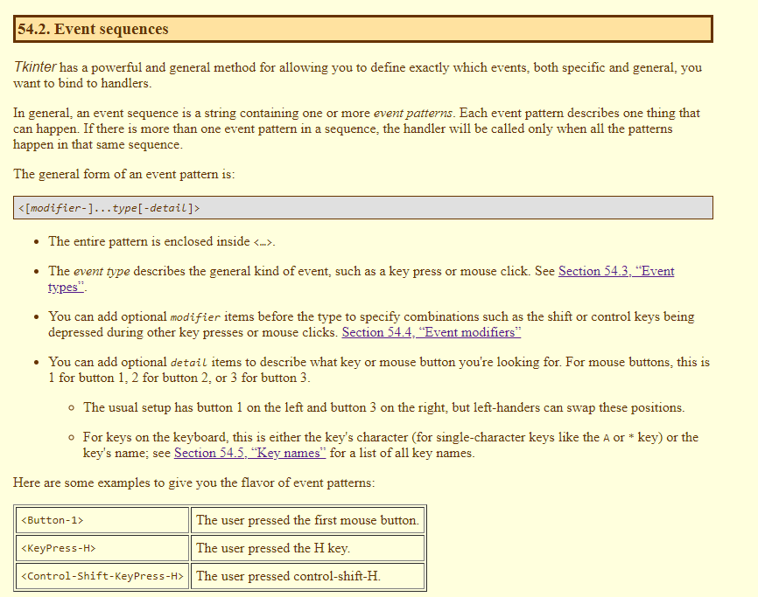

 |  |  |  |  |  |  |  | Event type |  |  | Event modifier

state mask (for modifier) |  |  |  |  | De juiste!
 |  |  | .keysym | .keycode | .keysym_num | Key |  | Type | Name | Description | Alt | True when the user is holding the alt key down.
0x0001 | Shift | 0x0001 : 'Shift', | Alt_L | 64 | 65513 | The left-hand alt key | 65513 : 'Alt_L', | 36 | Activate | A widget is changing from being inactive to being active. This refers to changes in the state option of a widget such as a button changing from inactive (grayed out) to active. | Any | This modifier generalizes an event type. For example, the event pattern '<Any-KeyPress>' applies to the pressing of any key.
0x0002 | Caps Lock | 0x0002 : 'Caps Lock', | Alt_R | 113 | 65514 | The right-hand alt key | 65514 : 'Alt_R', | 4 | Button | The user pressed one of the mouse buttons. The detail part specifies which button. For mouse wheel support under Linux, use Button-4 (scroll up) and Button-5 (scroll down). Under Linux, your handler for mouse wheel bindings will distinguish between scroll-up and scroll-down by examining the .num field of the Event instance; see Section 54.6, “Writing your handler: The Event class”. | Control | True when the user is holding the control key down.
0x0004 | Control | 0x0004 : 'Control', | BackSpace | 22 | 65288 | backspace | 65288 : 'BackSpace', | 5 | ButtonRelease | The user let up on a mouse button. This is probably a better choice in most cases than the Button event, because if the user accidentally presses the button, they can move the mouse off the widget to avoid setting off the event. | Double | Specifies two events happening close together in time. For example, <Double-Button-1> describes two presses of button 1 in rapid succession.
0x0008 | Left-hand Alt | 0x0008 : 'Left-hand Alt', | Cancel | 110 | 65387 | break | 65387 : 'Cancel', | 22 | Configure | The user changed the size of a widget, for example by dragging a corner or side of the window. | Lock | True when the user has pressed shift lock.
0x0010 | Num Lock | 0x0010 : 'Num Lock', | Caps_Lock | 66 | 65549 | CapsLock | 65549 : 'Caps_Lock', | 37 | Deactivate | A widget is changing from being active to being inactive. This refers to changes in the state option of a widget such as a radiobutton changing from active to inactive (grayed out). | Shift | True when the user is holding down the shift key.
0x0080 | Right-hand Alt | 0x0080 : 'Right-hand Alt', | Control_L | 37 | 65507 | The left-hand control key | 65507 : 'Control_L', | 17 | Destroy | A widget is being destroyed. | Triple | Like Double, but specifies three events in rapid succession.
0x0100 | Mouse button 1 | 0x0100 : 'Mouse button 1', | Control_R | 109 | 65508 | The right-hand control key | 65508 : 'Control_R', | 7 | Enter | The user moved the mouse pointer into a visible part of a widget. (This is different than the enter key, which is a KeyPress event for a key whose name is actually 'return'.)
0x0200 | Mouse button 2 | 0x0200 : 'Mouse button 2', | Delete | 107 | 65535 | Delete | 65535 : 'Delete', | 12 | Expose | This event occurs whenever at least some part of your application or widget becomes visible after having been covered up by another window.
0x0400 | Mouse button 3 | 0x0400 : 'Mouse button 3', | Down | 104 | 65364 | ↓ | 65364 : 'Down', | 9 | FocusIn | A widget got the input focus (see Section 53, “Focus: routing keyboard input” for a general introduction to input focus.) This can happen either in response to a user event (like using the tab key to move focus between widgets) or programmatically (for example, your program calls the .focus_set() on a widget).
 |  |  | End | 103 | 65367 | end | 65367 : 'End', | 10 | FocusOut | The input focus was moved out of a widget. As with FocusIn, the user can cause this event, or your program can cause it.
 |  |  | Escape | 9 | 65307 | esc | 65307 : 'Escape', | 2 | KeyPress | The user pressed a key on the keyboard. The detail part specifies which key. This keyword may be abbreviated Key.
 |  |  | Execute | 111 | 65378 | SysReq | 65378 : 'Execute', | 3 | KeyRelease | The user let up on a key.
 |  |  | F1 | 67 | 65470 | Function key F1 | 65470 : 'F1', | 8 | Leave | The user moved the mouse pointer out of a widget.
 |  |  | F2 | 68 | 65471 | Function key F2 | 65471 : 'F2', | 19 | Map | A widget is being mapped, that is, made visible in the application. This will happen, for example, when you call the widget's .grid() method.
 |  |  | Fi | 66+i | 65469+i | Function key Fi | 65469+i : 'Fi', | 6 | Motion | The user moved the mouse pointer entirely within a widget.
 |  |  | F12 | 96 | 65481 | Function key F12 | 65481 : 'F12', | 38 | MouseWheel | The user moved the mouse wheel up or down. At present, this binding works on Windows and MacOS, but not under Linux. For Windows and MacOS, see the discussion of the .delta field of the Event instance in Section 54.6, “Writing your handler: The Event class”. For Linux, see the note above under Button.
 |  |  | Home | 97 | 65360 | home | 65360 : 'Home', | 18 | Unmap | A widget is being unmapped and is no longer visible. This happens, for example, when you use the widget's .grid_remove() method.
 |  |  | Insert | 106 | 65379 | insert | 65379 : 'Insert', | 15 | Visibility | Happens when at least some part of the application window becomes visible on the screen.
 |  |  | Left | 100 | 65361 | ← | 65361 : 'Left',
 |  |  | Linefeed | 54 | 106 | Linefeed (control-J) | 106 : 'Linefeed',
 |  |  | KP_0 | 90 | 65438 | 0 on the keypad | 65438 : 'KP_0',
 |  |  | KP_1 | 87 | 65436 | 1 on the keypad | 65436 : 'KP_1',
 |  |  | KP_2 | 88 | 65433 | 2 on the keypad | 65433 : 'KP_2',
 |  |  | KP_3 | 89 | 65435 | 3 on the keypad | 65435 : 'KP_3',
 |  |  | KP_4 | 83 | 65430 | 4 on the keypad | 65430 : 'KP_4',
 |  |  | KP_5 | 84 | 65437 | 5 on the keypad | 65437 : 'KP_5',
 |  |  | KP_6 | 85 | 65432 | 6 on the keypad | 65432 : 'KP_6',
 |  |  | KP_7 | 79 | 65429 | 7 on the keypad | 65429 : 'KP_7',
 |  |  | KP_8 | 80 | 65431 | 8 on the keypad | 65431 : 'KP_8',
 |  |  | KP_9 | 81 | 65434 | 9 on the keypad | 65434 : 'KP_9',
 |  |  | KP_Add | 86 | 65451 | + on the keypad | 65451 : 'KP_Add',
 |  |  | KP_Begin | 84 | 65437 | The center key (same key as 5) on the keypad | 65437 : 'KP_Begin',
 |  |  | KP_Decimal | 91 | 65439 | Decimal (.) on the keypad | 65439 : 'KP_Decimal',
 |  |  | KP_Delete | 91 | 65439 | delete on the keypad | 65439 : 'KP_Delete',
 |  |  | KP_Divide | 112 | 65455 | / on the keypad | 65455 : 'KP_Divide',
 |  |  | KP_Down | 88 | 65433 | ↓ on the keypad | 65433 : 'KP_Down',
 |  |  | KP_End | 87 | 65436 | end on the keypad | 65436 : 'KP_End',
 |  |  | KP_Enter | 108 | 65421 | enter on the keypad | 65421 : 'KP_Enter',
 |  |  | KP_Home | 79 | 65429 | home on the keypad | 65429 : 'KP_Home',
 |  |  | KP_Insert | 90 | 65438 | insert on the keypad | 65438 : 'KP_Insert',
 |  |  | KP_Left | 83 | 65430 | ← on the keypad | 65430 : 'KP_Left',
 |  |  | KP_Multiply | 63 | 65450 | × on the keypad | 65450 : 'KP_Multiply',
 |  |  | KP_Next | 89 | 65435 | PageDown on the keypad | 65435 : 'KP_Next',
 |  |  | KP_Prior | 81 | 65434 | PageUp on the keypad | 65434 : 'KP_Prior',
 |  |  | KP_Right | 85 | 65432 | → on the keypad | 65432 : 'KP_Right',
 |  |  | KP_Subtract | 82 | 65453 | - on the keypad | 65453 : 'KP_Subtract',
 |  |  | KP_Up | 80 | 65431 | ↑ on the keypad | 65431 : 'KP_Up',
 |  |  | Next | 105 | 65366 | PageDown | 65366 : 'Next',
 |  |  | Num_Lock | 77 | 65407 | NumLock | 65407 : 'Num_Lock',
 |  |  | Pause | 110 | 65299 | pause | 65299 : 'Pause',
 |  |  | Print | 111 | 65377 | PrintScrn | 65377 : 'Print',
 |  |  | Prior | 99 | 65365 | PageUp | 65365 : 'Prior',
 |  |  | Return | 36 | 65293 | The enter key (control-M). The name Enter refers to a mouse-related event, not a keypress; see Section 54, “Events” | 65293 : 'Return',
 |  |  | Right | 102 | 65363 | → | 65363 : 'Right',
 |  |  | Scroll_Lock | 78 | 65300 | ScrollLock | 65300 : 'Scroll_Lock',
 |  |  | Shift_L | 50 | 65505 | The left-hand shift key | 65505 : 'Shift_L',
 |  |  | Shift_R | 62 | 65506 | The right-hand shift key | 65506 : 'Shift_R',
 |  |  | Tab | 23 | 65289 | The tab key | 65289 : 'Tab',
 |  |  | Up | 98 | 65362 | ↑ | 65362 : 'Up',

